Project3345
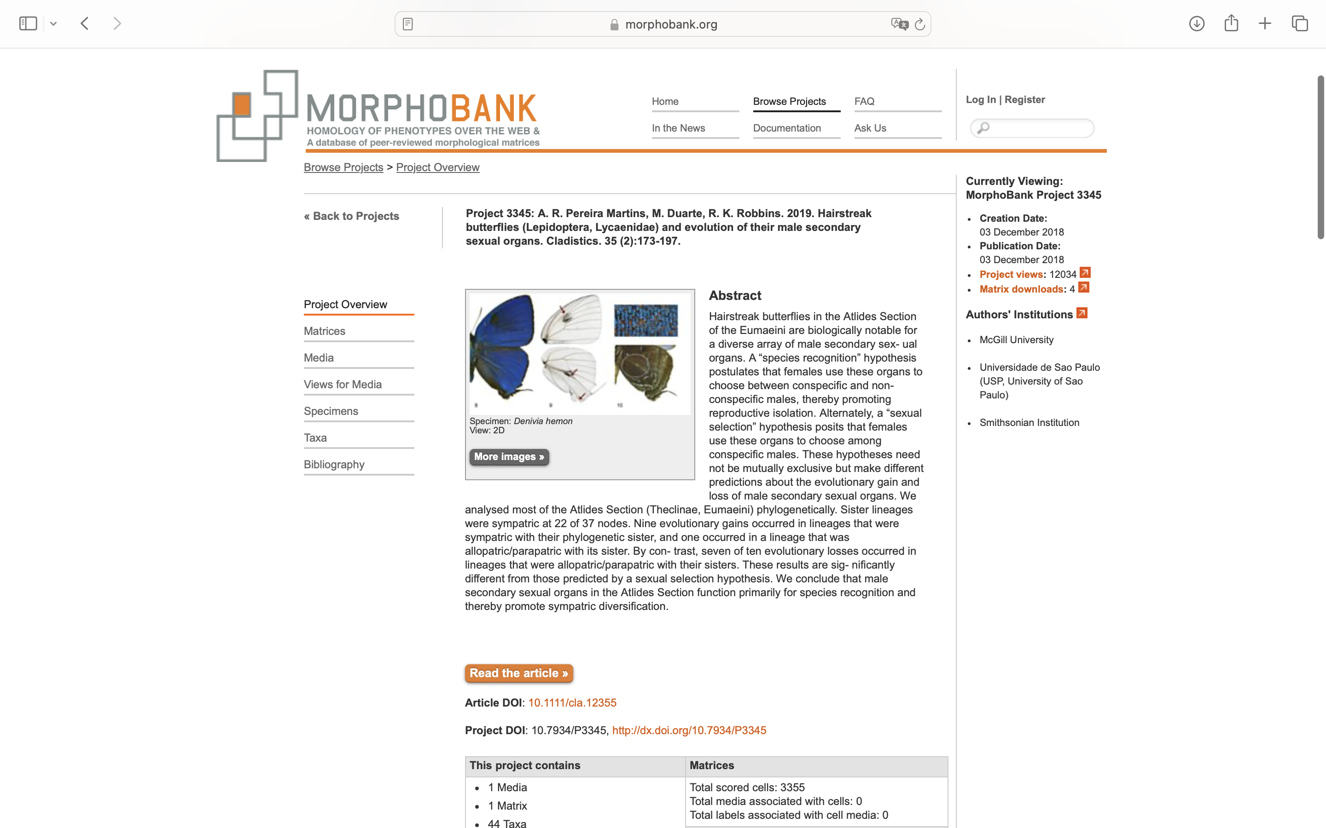
Charlabels | Character Pattern | Unseen States
[1] 'Male, frons, color' | Transformational | YES
[2] 'Male, paraocular area, color' | Transformational | YES
[3] 'Male, forewing, ventral surface, ground color' | Transformational | YES
[4] 'Male, hindwing, ventral surface, ground color' | Transformational | YES
[5] 'Male, forewing, outer margin' | Transformational | YES
[6] 'Male, forewing, costal margin' | Transformational | YES
[7] 'Male, forewing, apex of cell R2-M1' | Transformational | YES
[8] 'Forewing, dorsal surface, scent patch distal of the discal cell between veins M1 and M3, intermixed with regular iridescent wing scales' | Neomorphic | NO
[9] 'Forewing, dorsal surface, scent patch distal of the discal cell between veins M1 and M3, NOT intermixed with regular wing scales' | Neomorphic | NO
[10] 'Forewing, dorsal surface, scent pad' | Neomorphic | NO
[11] 'Male, forewing, ventral surface, red scaling between the costal margin and the Sc vein' | Neomorphic | NO
[12] 'Male, forewing, ventral surface, shape of red patch between the costal margin and vein Sc' | Transformational | YES
[13] 'Male and female, hindwing, ventral surface, red scaling between the costal margin and the Sc+R1 vein' | Neomorphic | NO
[14] 'Male and female, hindwing, ventral surface, shape of red scaling between the costal margin and vein Sc+R1' | Transformational | YES
[15] 'Male and female, hindwing, ventral surface, cell 3A-2A, red scaling' | Neomorphic | NO
[16] 'Male and female, hindwing, ventral surface, cell 3A-2A, shape of red scaling' | Transformational | YES
[17] 'Male and female, forewing ventral surface at the base, red scaling between vein Sc and the discal cell (character proposed by Bálint & Faynel, 2008)' | Neomorphic | NO
[18] 'Male and female, hindwing ventral surface at the base, red scaling between vein Sc+R1 and the discal cell (character proposed by Bálint & Faynel, 2008)' | Neomorphic | NO
[19] 'Male, forewing, ventral surface, base between discal cell and Cu2, bluish iridescent scales' | Neomorphic | NO
[20] 'Female, forewing, ventral surface, base between discal cell and Cu2, bluish iridescent scales' | Neomorphic | NO
[21] 'Male, forewing, ventral surface, submarginal band' | Neomorphic | NO
[22] 'Male, forewing, ventral surface, submarginal band, color' | Transformational | YES
[23] 'Female, forewing, ventral surface, submarginal band' | Neomorphic | NO
[24] 'Female, forewing, ventral surface, submarginal band, color' | Transformational | YES
[25] 'Male, forewing, ventral surface, postmedian band' | Neomorphic | NO
[26] 'Male, forewing, ventral surface, postmedian band, pattern' | Transformational | YES
[27] 'Male, forewing, ventral surface, postmedian band, elements' | Transformational | YES
[28] 'Male, forewing, ventral surface, postmedian band, color' | Transformational | YES
[29] 'Female, forewing, ventral surface, postmedian band' | Neomorphic | NO
[30] 'Female, forewing, ventral surface, submarginal region, whitish scales (modified character of Robbins et al., 2012)' | Neomorphic | NO
[31] 'Female, forewing, ventral surface, postmedian band, shape' | Transformational | YES
[32] 'Male, forewing, ventral surface, discal cell band' | Neomorphic | NO
[33] 'Male, forewing, ventral surface, discal cell band, color' | Transformational | YES
[34] 'Female, forewing, ventral surface, apex, scattered white scales' | Neomorphic | NO
[35] 'Male, forewing, origin of vein R2' | Transformational | YES
[36] 'Female, forewing and hindwing, dorsal surface, ground color' | Transformational | YES
[37] 'Male, hindwing, Cu2 vein, tail"s tip, white scales' | Neomorphic | NO
[38] 'Male, hindwing, ventral and dorsal surface, cell Cu1-Cu2 submarginal macule' | Neomorphic | NO
[39] 'Male, hindwing, ventral and dorsal surface, shape of submarginal macule in cell Cu1-Cu2' | Transformational | YES
[40] 'Male, hindwing, ventral surface, veins covered by black scales (modified character from Bálint et al., 2003)' | NT?;0=0-;1=11;2=12
[41] 'Male, hindwing, ventral surface, inner margin, bluish or whitish line' | Neomorphic | NO
[42] 'Female, hindwing, ventral surface, central region, pink scaling (character proposed by Nicolay, 1971)' | Neomorphic | NO
[43] 'Male, hindwing, postmedian band' | Neomorphic | NO
[44] 'Male, hindwing, postmedian band, length' | Transformational | NO
[45] 'Male, hindwing, ventral surface, postmedian band, pattern' | Transformational | YES
[46] 'Male, hindwing, ventral surface, postmedian band, structure' | Neomorphic | NO
[47] 'Male and female, hindwing, ventral surface, postmedian displaced toward the base' | Neomorphic | NO
[48] 'Male, hindwing, ventral surface, postmedian band joining the submarginal band at Cu2 vein (character proposed by Bálint et al., 2007)' | Neomorphic | NO
[49] 'Male, hindwing, ventral surface, shape of postmedian band between inner margin and vein Cu1' | Transformational | YES
[50] 'Male, hindwing, ventral surface, postmedian band in cell Sc+R1-Rs' | Transformational | YES
[51] 'Male, hindwing, ventral surface, submarginal region, red band' | Neomorphic | NO
[52] 'Female, hindwing, ventral surface, submarginal region, red band' | Neomorphic | NO
[53] 'Male, hindwing, dorsal surface, central region of the inner margin, fold on the membrane' | Neomorphic | NO
[54] 'Male, hindwing, cell Cu2-2A, membrane invagination' | Neomorphic | NO
[55] 'Male, hindwing, cell Cu2-2A, basal extent of the membrane invagination, location' | Transformational | YES
[56] 'Male, hindwing, cell Cu2-2A, distal extent of the membrane invagination, location' | Transformational | YES
[57] 'Hindwing, androconia on the ventral surface of cell Cu2-2A' | Neomorphic | NO
[58] 'Male, hindwing, ventral surface, cell 2A-3A with a small pencil of hairs (character from Godman & Salvin 1887-1901)' | Neomorphic | NO
[59] 'Hindwing, outer margin split at intersection with vein 2A (character from Godman & Salvin 1887-1901)' | Neomorphic | NO
[60] 'Hindwing, anal region, size of split at vein 2A' | Transformational | YES
[61] 'Male, hindwing, shape of anal lobe structure' | Transformational | YES
[62] 'Male, hindwing, number of tails' | Transformational | YES
[63] 'Male, thorax, rounded white /bluish scaling' | Neomorphic | NO
[64] 'Male, thorax covered by white bristles' | Neomorphic | NO
[65] 'Male, abdomen, ventral surface, ground color' | Transformational | YES
[66] 'Valvae, posterior margin, lateral view' | Transformational | YES
[67] 'Valvae, ventral surface, slender projection arising from the central region and finishing beyond the posterior end' | Neomorphic | NO
[68] 'Saccus, length (cm)' | Transformational | YES
[69] 'Brush-organ' | Neomorphic | NO
[70] 'Vinculum, dorsal projection' | Neomorphic | NO
[71] 'Vinculum, dorsal projection, location' | Transformational | YES
[72] 'Vinculum, dorsal projection, location and shape' | Transformational | YES
[73] 'Fused vinculum/tegumen, ventral projection' | Neomorphic | NO
[74] 'Ductus bursae, shape' | Transformational | YES
[75] 'Ductus bursae, posterior region, membranous area' | Neomorphic | NO
[76] 'Ductus bursae, constriction' | Neomorphic | NO
[77] 'Ductus bursae, base lateral region, sclerotized process' | Neomorphic | NO

